ITP Body
Item No. | Inspection and Test Point | Acceptance / Conformance Criteria | Standard / Specification | Verifying Document | Frequency

SECTION 1 – MATERIAL, PERSONNEL & THIRD PARTY APPROVAL
1.01
 | Pipes | Pipes shall be of material mentioned in the Drawings or approved equivalent. | Project Requirement Drawing C122 - C123 | Photo | Prior to installation
 | Subsoil drains | Drainage pipes shall be slotted smooth bore PVC or PE pipes, or corrugated polyethylene subsoil drainage pipes in accordance with NZTA F/5 for light duty applications or NZTA F2 for heay-duty applications | Specification 1131 14.8 |  | Prior to installation
 | Subsoil drain bedding | Material used for bedding, duct surround and haunching shall be selected granular, non cohesive, free draining material with grading between 0.6mm and 19mm | Specification 1131 14.8 |  | Prior to installation
 | Concrete Manhole | Precast concrete manholes shall comply with NZS 3106 | Specification 1131 14.5 | Photo | Prior to installation
 | Pipe Bedding | Pipe bedding should be AP20 and in accordance with AS/NZS 2566.2 | specification 1131 14.9.1 | Test Report | Prior to installation
 | Backfill | Backfill aggregate should be GAP 65. Samples of backfill material should be tested in accordence of NZS 4402 to determine the max lab dry density at OMC. The solid density of aggregate should be tested in accordance with NZS 4407. | specification 1131 16.1.1 | Test Report | Prior to installation
 | Wingwalls | Precast wingwalls as specified in Drawings or equivalent approved | Project Requirement Drawing C122 - C123 | Photo | Prior to installation
 | Geotextile underlay | Geotextile underlay bidim A37 or similar approved material | Project Requirement Drawing C122 - C123 |  | Prior to installation
 | Rock riprap | Rock riprap shall comply with the dimensions and specifications shown in drawings | Project Requirement Drawing C122 - C123 |  | Prior to installation
SECTION 2 – CONSTRUCTION ACTIVITY –
2.01 | Preliminaries
 | Service locate | Confirm location of services by completing a service trace. | Specificatiuon 1131 15.2.1 | B4UDig, Service Plans, Mark out, Check list or something | Prior to Start
 | Set Out | All setting out shall be performed by or under the control of a licensed surveyor, who shall certify the accuracy of key dimensions of the as constructed works | Specification 1000 3.2.4 | methodology, check list or something | prior to start
2.01 | Construction
 | Topsoil removal | Top soil shall be removed in accordance with Clause 4 of TNZ F/1 and stockpiled to provide for subsequent replacement. | Specification 1110 9.4 | methodology
 | Contaminated soils | Contaminated soils (Type H materials) encountered shall be treated and/or disposed off site in accordance with statutory requirements | Specification 1110 9.3
 | Trench excavation | 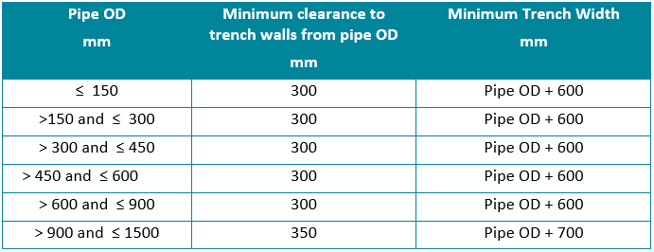 Trenches for flexible pipes shall be excavated within tollerances below unless otherwise stated: | specification 1131 15.2.5 | Installation Check Sheet | During installation
 | Pipe Bedding | 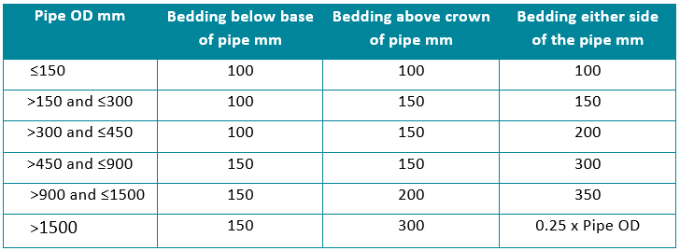 Bedding for flexible pipes should be in accordance with AS/NZS 2556.2 and have minimum embedment zone as shown below: | Specification 1131 15.2.8.2 | Installation Check Sheet | During installation
 | Line and level | Pipes shall be laid true to the design line and level within the tolerances specified | Specification 1131 15.3.12 Specification 1131 15.9 | Grade Check sheet | During installation
 | PE pipe installation | Buried PE pipes shall be installed in accordance with AS/NZA 2566.2 | Specification 1131 15.3.2.2 | methodology | During installation
 | PVC pipe installation | Buried PVC pipes shall be installed in accordance with AS/NZS 2032 and AS/NZS 2566.2. fusible PVC pipes shall be welded and installed in accordance with the pipe manufacturers recommendations. | Specification 1131 15.3.1 | methodology | During installation
 | Precast concrete pipes | Concrete pipes shall be installed in accordance with AS/NZS 3725 and verification testing of compaction shall use a method recommended in table 3 of the CPAA Technical Note on Installing Concrete Pipe and approved by the Engineer. | Specification 1131 15.3.6 | Clegg/ scala test records
 | Joints in precast concrete | Joints between precast pipe units shall be self-centering and shall be sealed with butyl mastic or similar approved to form a watertight joint. | Specification 1131 15.3.6 |  | During installation
 | Compaction | 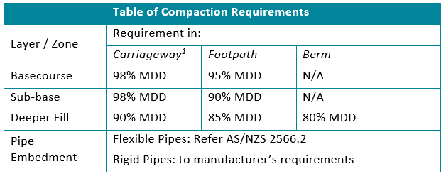 Compaction shall be as follows | specification 1131 15.4.4 | NDM or Clegg Hamer test records | During installation
 | Backfiil - Under Carriageways | Selected fill within 0.8m depth from finished surface shall be AP 65 and compacted to at least 95% of max dry density at OMC Subgrade and subbase shall be compacted in layers no greater than 200 mm thick unless otherwise agreed with the Engineer. Basecourse shall be compacted in layers no greater than 150mm thick unless otherwise aggred with the engineer. | specification 1131 15.4.3.2 | NDM or Clegg Hamer test records | NDM every 20m, each layer
 | Backfill - Outside Carriageways | Backfill outside carriageways shall be compacted in layers not exceeding 200 mm thick to a maximum dry density of at least 90%, or to the same density as the surrounding ground, whichever is the lesser. | specification 1131 15.4.3.3 | NDM or Clegg Hamer test records | NDM every 50m, each layer
 | Cutting pipes | where pipes need to be cut to form non stardard lengths, pipes shall be cut by a method which complys with manufacturers recommendations and provides a clean square profile | Specification 1131 15.3.7 | methodology | During installation
 | Benching | Benching concrete shall have a crushing strength of 20MPa at 28 days. Semi-circular channels and fittings shall be placed in possition simultaneously with concrete benching and be embedded in true to grade level and line. All benching and sloping surfaces on manhole floor shall be rendered in 20mm thick 1:3 mortar and finished with steel trowel and rounded at corners. | Specification 1131 15.5 | methodology | During installation

 | laying subsoil drains | Drains shall be constucted in accordance with TNZ Specification F/6. Geotextile shall be laid and jointed in accordance with TNZ specification F/6. Bacfilling shall be carried out in accordance with TNZ specification F/6 | Specification 1131 15.7 | methodology | During installation
 | Topsoiling and grassing | Topsoil shall be used to dress areas disturbed by the contrat works to a minimum thickness of 100mm. Grass seed shall be sown evenly over the prepared topsoil area | Specification 1131 15.8.6 | check list | prior to commencement
SECTION 3 – CONSTRUCTION ACTIVITY – TESTING
3.01
 | Backfill Compaction Testing | Prior to commencement of fill Trial compaction plateau test should be conducted under presense of Engineer or principal. Methodology to be confirmed in advance generally in accordance with TNZ B/02 specification | Specification 16.1.1 | NDM or Clegg Hamer test records | prior to commencement of fill compaction
 | Testing of Compaction in Carrigeway | a) Testing of compaction shall be carried out in accordance with 16.1.1above. b) All materials used for backfilling shall have been sampled and tested by a certified testing laboratory. The Engineer may instruct the Contractor to provide records of material test certification. c) Density testing shall be carried out and recorded by a suitably qualified person at the following frequencies unless otherwise confirmed by the Engineer to suit the size and scale of the project: | Specification 16.1.2 | NDM or Clegg Hamer test records | i. For trenches in berms, testing is required at least one per layer of backfill per 50 m of trench, with a minimum of two tests for each pipe installation. ii. For trenches in carriageways or footpaths, testing is required at least one test per layer of backfill per 20 m of trench with a minimum of two tests for each pipe installation. iii. Where the excavated area is greater than 0.5 m2 and less than 5 m2 testing is required one test per backfill layer. iv. Where the excavated area is greater than 5 m2 testing is required one test per backfill layer for each 5 m2. v. Tests shall be carried out on every lift of each tested backfill layer to be assured of proper compaction of all of the backfill.
 | Testing of Compaction outside carrigeway | a) Testing of compaction shall be carried out in accordance with 16.1.1, above. b) Density testing shall be carried out by a suitable qualified person at the following frequencies unless otherwise confirmed by the Engineer to suit the size and scale of the project: | Specification 16.1.4 | NDM or Clegg Hamer test records | i. For trench lengths of 100 m or more, testing is required at a rate of at least one test per layer of backfill per 50 m of trench. ii. For trench lengths less than 100 m, a minimum of two tests per layer are required. iii. Where the excavated area is greater than 0.5 m2 and less than 10 m2, one test per backfill layer are required. iv. Where the excavated area is greater than 10 m2 testing is required one test per backfill layer for each 10m2. v. Tests shall be carried out on every lift of each tested backfill layer to be assured of proper compaction of all of the backfill.
 | NDM test | NDM teting of fill placement shall be conducted for each 300mm lift and shall be tested 1 per 100m2 on a nominal 10m by 10m grid pattern | Specification 1110 9.13.2 | NDM or Clegg Hamer test records | during installation
 | Pipe Testing | stormwater pipes shall be by visual inspection for pipe diameters greater than 750mm and by water testing for diameters up to 750mm. Testing shall be in the presence of the engineer. | Specification 1131 16.2.1 | Test Records | 24hr prior notice
 | Manholes | manholes should be tested seperately to pipeline for water tightness up to lower rim of manhole cover frame. A maximum drop in water level over 30 min should not exceed 2mL/hr/mm of diameter/meter height of the manhole. Testing shall be in the presence of the engineer. | Specification 1131 16.2.2.5 | Test Records | 24hr prior notice
 | CCTV | All pipelines shall pass a CCTV instpection. All pipelines shall be free of debris and flushed 24hrs prior to inspection. | Specification 1131 16.2.3 | CCTV footage and log sheets | completion of works
SECTION 4 – POST CONSTRUCTION (FINAL INSPECTION AND HANDOVER)
4.01 | As-Built Information
 | As-built Drawings | As-built drawings shall be prepared in draft and final versions in accordance with 5.20.3 of the conditions of Contract. Asbuilts shall follow Schedule 1D in NZS4404:2010. | Specification 1000 3.9.2 | QA records

